Sheet1
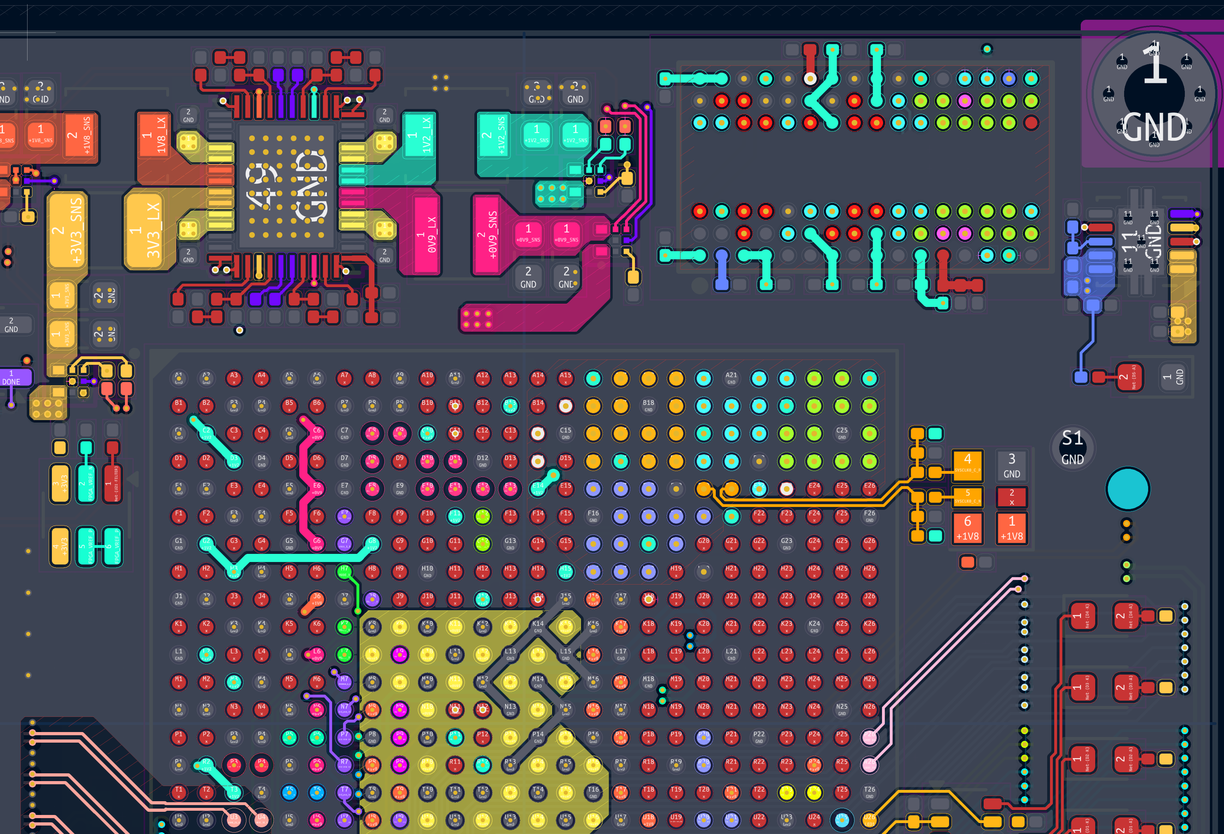
Column2 | Column1 | Memory Byte Group | Bank | I/O Type
A24 | IO_L1P_T0L_N0_DBC_67 | 0L | 67 | HP | Byte Group 0
A25 | IO_L1N_T0L_N1_DBC_67 | 0L | 67 | HP
B24 | IO_L3P_T0L_N4_AD15P_67 | 0L | 67 | HP |  | Data
B25 | IO_L3N_T0L_N5_AD15N_67 | 0L | 67 | HP
D25 | IO_L2P_T0L_N2_67 | 0L | 67 | HP
D26 | IO_L2N_T0L_N3_67 | 0L | 67 | HP |  | Addr
B26 | IO_L6N_T0U_N11_AD6N_67 | 0U | 67 | HP
C23 | IO_L4N_T0U_N7_DBC_AD7N_67 | 0U | 67 | HP
C24 | IO_L5N_T0U_N9_AD14N_67 | 0U | 67 | HP |  | Cmd/Ctrl/Clk/DQS
C26 | IO_L6P_T0U_N10_AD6P_67 | 0U | 67 | HP
D23 | IO_L4P_T0U_N6_DBC_AD7P_67 | 0U | 67 | HP
D24 | IO_L5P_T0U_N8_AD14P_67 | 0U | 67 | HP
E23 | IO_T0U_N12_VRP_67 | 0U | 67 | HP
A20 | IO_L8N_T1L_N3_AD5N_67 | 1L | 67 | HP | Byte Group 1
A22 | IO_L7P_T1L_N0_QBC_AD13P_67 | 1L | 67 | HP
A23 | IO_L7N_T1L_N1_QBC_AD13N_67 | 1L | 67 | HP
B20 | IO_L8P_T1L_N2_AD5P_67 | 1L | 67 | HP
B21 | IO_L9P_T1L_N4_AD12P_67 | 1L | 67 | HP
B22 | IO_L9N_T1L_N5_AD12N_67 | 1L | 67 | HP
C21 | IO_L10P_T1U_N6_QBC_AD4P_67 | 1U | 67 | HP
C22 | IO_L10N_T1U_N7_QBC_AD4N_67 | 1U | 67 | HP
D20 | IO_L12P_T1U_N10_GC_67 | 1U | 67 | HP
D21 | IO_L12N_T1U_N11_GC_67 | 1U | 67 | HP
E20 | IO_L11P_T1U_N8_GC_67 | 1U | 67 | HP
E21 | IO_L11N_T1U_N9_GC_67 | 1U | 67 | HP
E22 | IO_T1U_N12_67 | 1U | 67 | HP
A17 | IO_L15P_T2L_N4_AD11P_67 | 2L | 67 | HP | Byte Group 2
A18 | IO_L15N_T2L_N5_AD11N_67 | 2L | 67 | HP
C18 | IO_L14N_T2L_N3_GC_67 | 2L | 67 | HP
C19 | IO_L13N_T2L_N1_GC_QBC_67 | 2L | 67 | HP
D18 | IO_L14P_T2L_N2_GC_67 | 2L | 67 | HP
D19 | IO_L13P_T2L_N0_GC_QBC_67 | 2L | 67 | HP
A19 | IO_L16N_T2U_N7_QBC_AD3N_67 | 2U | 67 | HP
B16 | IO_L17N_T2U_N9_AD10N_67 | 2U | 67 | HP
B17 | IO_L18N_T2U_N11_AD2N_67 | 2U | 67 | HP
B19 | IO_L16P_T2U_N6_QBC_AD3P_67 | 2U | 67 | HP
C16 | IO_L17P_T2U_N8_AD10P_67 | 2U | 67 | HP
C17 | IO_L18P_T2U_N10_AD2P_67 | 2U | 67 | HP
D16 | IO_T2U_N12_67 | 2U | 67 | HP
F17 | IO_L20N_T3L_N3_AD1N_67 | 3L | 67 | HP | Byte Group 3
F18 | IO_L21P_T3L_N4_AD8P_67 | 3L | 67 | HP
F19 | IO_L21N_T3L_N5_AD8N_67 | 3L | 67 | HP
F20 | IO_L19N_T3L_N1_DBC_AD9N_67 | 3L | 67 | HP
G17 | IO_L20P_T3L_N2_AD1P_67 | 3L | 67 | HP
G19 | IO_L19P_T3L_N0_DBC_AD9P_67 | 3L | 67 | HP
E16 | IO_T3U_N12_67 | 3U | 67 | HP
E17 | IO_L23P_T3U_N8_67 | 3U | 67 | HP
E18 | IO_L23N_T3U_N9_67 | 3U | 67 | HP
G16 | IO_L22N_T3U_N7_DBC_AD0N_67 | 3U | 67 | HP
H16 | IO_L22P_T3U_N6_DBC_AD0P_67 | 3U | 67 | HP
H17 | IO_L24P_T3U_N10_67 | 3U | 67 | HP
H18 | IO_L24N_T3U_N11_67 | 3U | 67 | HP
J18 | VREF_67 | NA | 67 | HP
A16 | VCCO_67 | NA | 67 | NA
A26 | VCCO_67 | NA | 67 | NA
B23 | VCCO_67 | NA | 67 | NA
C20 | VCCO_67 | NA | 67 | NA
D17 | VCCO_67 | NA | 67 | NA
F21 | VCCO_67 | NA | 67 | NA
G18 | VCCO_67 | NA | 67 | NA

Byte Group 0
Byte Group 1

Byte Group 2

Byte Group 3

